CatFood-AMPL
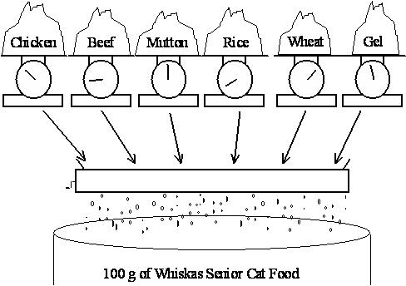
Whiskas Cat Food - an example created for the Stats 255 course at the University of Auckland
What is the least-cost blend of ingredients to make 100g of cat food satisfying the given nutritional requirements?

 |  |  |  | REQUIREMENTS
Nutritional Requirements: |  |  |  | PROTEIN | FAT | FIBRE | SALT | ONECAN

Requirement | Upper Bnd |  |  | Contribution (tr): |  |  |  |  | Costs | Solution
FIBRE | 2 | INGREDIENTS | CHICKEN | 0.1 | 0.08 | 0.001 | 0.002 | 1 | 0.013
SALT | 0.4 |  | BEEF | 0.2 | 0.1 | 0.005 | 0.005 | 1 | 0.008
ONECAN | 100 |  | MUTTON | 0.15 | 0.11 | 0.003 | 0.007 | 1 | 0.01
Requirement | Lower Bound |  | RICE | 0 | 0.01 | 0.1 | 0.002 | 1 | 0.002
PROTEIN | 8 |  | WHEAT | 0.04 | 0.01 | 0.15 | 0.008 | 1 | 0.005
FAT | 6 |  | GEL | 0 | 0 | 0 | 0 | 1 | 0.001
ONECAN | 100

